
 |  |  |  | CODE: |  |  | PL1265 ab SN from 99B1493
DESCRIPTION: |  | HEAD :MOTOR |  | KOPF :MOTOR | TETE :MOTEUR | CABEZA :MOTOR | TESTATA:MOTORE
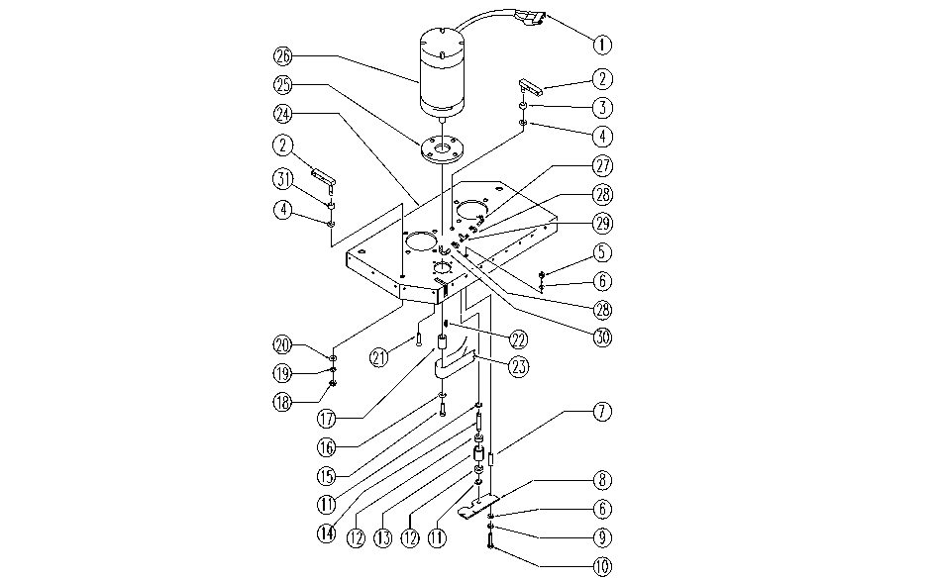

REF. | CODE | DESCRIPTION | QT
1 | E86307 | Connector | 1
2 | SL09629 | BRACKET | 2
3 | E86975 | Rubber Gasket D11.25 L=10 | 2
4 | E86980 | Washer PPL66 D13-24-2.5 | 2
5 | SL05043 | NUT | 2
6 | E86707 | Cham Washer D10 | 6
7 | E89485 | Spacer | 3
8 | E86665 | AS28 Plate (Idler Bearing) | 1
9 | E86700 | Cham Washer D6 | 4
10 | E86473 | AS20 Screw TE M.6-70 | 3
11 | E89408 | Stop Ring | 2
12 | E86667 | Bearing, 6001 2RS | 2
13 | E86727 | Neutral Pulley | 1
14 | E86666 | AS28 Pin | 1
15 | E87768 | Screw | 2
16 | E87757 | Washer | 1
17 | E87767 | Pulley | 1
18 | E86853 | Nyloc Hex Nut, M8 Zinc | 2
19 | E86726 | Washer | 9
20 | E86881 | Washer | 2
21 | SL04029 | SCREW | 1
22 | E86536 | Key | 1
23 | SL16021 | BELT | 1
24 | SL09727 | HEAD | 1
25 | E86374 | flange WS20/24 | 1
26 | E86608 | Brush Motor | 1
27 | SL19297 | HOSE | 1
28 | E86751 | Clamp 10-16 | 3
29 | SL18234 | CONNECTOR | 1
30 | SL19242 | HOSE | 1
31 | SL03499 | RUBBER SHIM | 2

